AB-BA
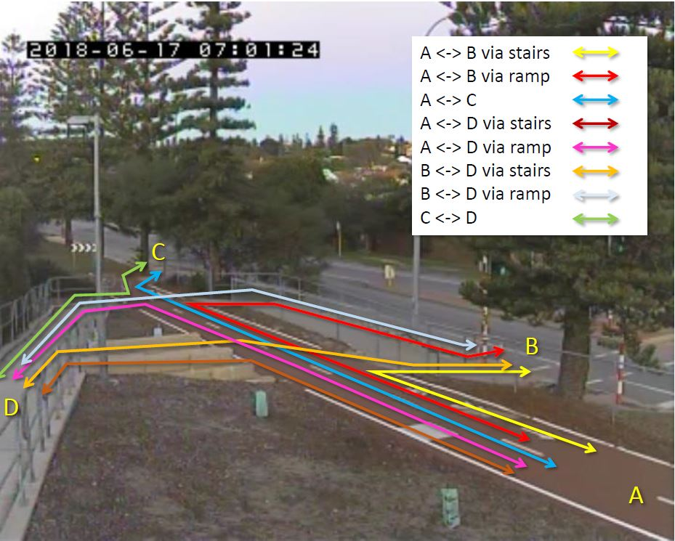
Job No. |  | : W228
Job Name |  | : COTTESLOE
Site |  | : 1A
Survey Day/Date |  | : 17 June 2018
Survey Time |  | : 05:00-22:00
Intervals |  | : 15 minutes
Classification |  | :
Uploaded Data |  | :
Due Date Data |  | :
Delivered Data |  | :

Clasifications Note : |  | 1. CYCLIST
 |  | 2. PEDESTRIANS
 |  | 3. SKATEBOARDERS
 |  | 4. ROLLERBLADES
 |  | 5. MOBILITY SCOOTERS

TIME |  | A-B (STAIRS) |  |  |  |  |  |  |  |  |  |  |  |  |  |  |  |  |  |  |  |  |  |  |  |  |  |  |  |  |  | B-A (STAIRS) |  |  |  |  |  |  |  |  |  |  |  |  |  |  |  |  |  |  |  |  |  |  |  |  |  |  |  |  |  | A-B (RAMP) |  |  |  |  |  |  |  |  |  |  |  |  |  |  |  |  |  |  |  |  |  |  |  |  |  |  |  |  |  | B-A (RAMP)
 |  | 1. Cyclist |  |  |  |  |  |  |  |  |  | 2. Pedestrians |  |  |  | TOT | 3. Skateboarder |  |  |  | TOT | 4. Rollerblades |  |  |  | TOT | 5. Mobility Scooter |  |  |  | TOT | 1. Cyclist |  |  |  |  |  |  |  |  |  | 2. Pedestrians |  |  |  | TOT | 3. Skateboarder |  |  |  | TOT | 4. Rollerblades |  |  |  | TOT | 5. Mobility Scooter |  |  |  | TOT | 1. Cyclist |  |  |  |  |  |  |  |  |  | 2. Pedestrians |  |  |  | TOT | 3. Skateboarder |  |  |  | TOT | 4. Rollerblades |  |  |  | TOT | 5. Mobility Scooter |  |  |  | TOT | 1. Cyclist |  |  |  |  |  |  |  |  |  | 2. Pedestrians |  |  |  | TOT | 3. Skateboarder |  |  |  | TOT | 4. Rollerblades |  |  |  | TOT | 5. Mobility Scooter |  |  |  | TOT
 |  | Recreational |  |  |  | TOT | Non Recreational |  |  |  | TOT |  |  |  |  |  |  |  |  |  |  |  |  |  |  |  |  |  |  |  |  | Recreational |  |  |  | TOT | Non Recreational |  |  |  | TOT |  |  |  |  |  |  |  |  |  |  |  |  |  |  |  |  |  |  |  |  | Recreational |  |  |  | TOT | Non Recreational |  |  |  | TOT |  |  |  |  |  |  |  |  |  |  |  |  |  |  |  |  |  |  |  |  | Recreational |  |  |  | TOT | Non Recreational |  |  |  | TOT
 |  | Male |  | Female |  |  | Male |  | Female |  |  | Male |  | Female |  |  | Male |  | Female |  |  | Male |  | Female |  |  | Male |  | Female |  |  | Male |  | Female |  |  | Male |  | Female |  |  | Male |  | Female |  |  | Male |  | Female |  |  | Male |  | Female |  |  | Male |  | Female |  |  | Male |  | Female |  |  | Male |  | Female |  |  | Male |  | Female |  |  | Male |  | Female |  |  | Male |  | Female |  |  | Male |  | Female |  |  | Male |  | Female |  |  | Male |  | Female |  |  | Male |  | Female |  |  | Male |  | Female |  |  | Male |  | Female |  |  | Male |  | Female
 |  | ADULT | CHILD | ADULT | CHILD |  | ADULT | CHILD | ADULT | CHILD |  | ADULT | CHILD | ADULT | CHILD |  | ADULT | CHILD | ADULT | CHILD |  | ADULT | CHILD | ADULT | CHILD |  | ADULT | CHILD | ADULT | CHILD |  | ADULT | CHILD | ADULT | CHILD |  | ADULT | CHILD | ADULT | CHILD |  | ADULT | CHILD | ADULT | CHILD |  | ADULT | CHILD | ADULT | CHILD |  | ADULT | CHILD | ADULT | CHILD |  | ADULT | CHILD | ADULT | CHILD |  | ADULT | CHILD | ADULT | CHILD |  | ADULT | CHILD | ADULT | CHILD |  | ADULT | CHILD | ADULT | CHILD |  | ADULT | CHILD | ADULT | CHILD |  | ADULT | CHILD | ADULT | CHILD |  | ADULT | CHILD | ADULT | CHILD |  | ADULT | CHILD | ADULT | CHILD |  | ADULT | CHILD | ADULT | CHILD |  | ADULT | CHILD | ADULT | CHILD |  | ADULT | CHILD | ADULT | CHILD |  | ADULT | CHILD | ADULT | CHILD |  | ADULT | CHILD | ADULT | CHILD
5:00:00 | 5:15:00 | 0 | 0 | 0 | 0 | 0 | 0 | 0 | 0 | 0 | 0 | 0 | 0 | 0 | 0 | 0 | 0 | 0 | 0 | 0 | 0 | 0 | 0 | 0 | 0 | 0 | 0 | 0 | 0 | 0 | 0 | 0 | 0 | 0 | 0 | 0 | 0 | 0 | 0 | 0 | 0 | 0 | 0 | 0 | 0 | 0 | 0 | 0 | 0 | 0 | 0 | 0 | 0 | 0 | 0 | 0 | 0 | 0 | 0 | 0 | 0 | 0 | 0 | 0 | 0 | 0 | 0 | 0 | 0 | 0 | 0 | 0 | 0 | 0 | 0 | 0 | 0 | 0 | 0 | 0 | 0 | 0 | 0 | 0 | 0 | 0 | 0 | 0 | 0 | 0 | 0 | 0 | 0 | 0 | 0 | 0 | 0 | 0 | 0 | 0 | 0 | 0 | 0 | 0 | 0 | 0 | 0 | 0 | 0 | 0 | 0 | 0 | 0 | 0 | 0 | 0 | 0 | 0 | 0 | 0 | 0
5:15:00 | 5:30:00 | 0 | 0 | 0 | 0 | 0 | 0 | 0 | 0 | 0 | 0 | 0 | 0 | 0 | 0 | 0 | 0 | 0 | 0 | 0 | 0 | 0 | 0 | 0 | 0 | 0 | 0 | 0 | 0 | 0 | 0 | 0 | 0 | 0 | 0 | 0 | 0 | 0 | 0 | 0 | 0 | 0 | 0 | 0 | 0 | 0 | 0 | 0 | 0 | 0 | 0 | 0 | 0 | 0 | 0 | 0 | 0 | 0 | 0 | 0 | 0 | 0 | 0 | 0 | 0 | 0 | 0 | 0 | 0 | 0 | 0 | 0 | 0 | 0 | 0 | 0 | 0 | 0 | 0 | 0 | 0 | 0 | 0 | 0 | 0 | 0 | 0 | 0 | 0 | 0 | 0 | 0 | 0 | 0 | 0 | 0 | 0 | 0 | 0 | 0 | 0 | 0 | 0 | 0 | 0 | 0 | 0 | 0 | 0 | 0 | 0 | 0 | 0 | 0 | 0 | 0 | 0 | 0 | 0 | 0 | 0
5:30:00 | 5:45:00 | 0 | 0 | 0 | 0 | 0 | 0 | 0 | 0 | 0 | 0 | 0 | 0 | 0 | 0 | 0 | 0 | 0 | 0 | 0 | 0 | 0 | 0 | 0 | 0 | 0 | 0 | 0 | 0 | 0 | 0 | 0 | 0 | 0 | 0 | 0 | 0 | 0 | 0 | 0 | 0 | 0 | 0 | 0 | 0 | 0 | 0 | 0 | 0 | 0 | 0 | 0 | 0 | 0 | 0 | 0 | 0 | 0 | 0 | 0 | 0 | 0 | 0 | 0 | 0 | 0 | 0 | 0 | 0 | 0 | 0 | 0 | 0 | 0 | 0 | 0 | 0 | 0 | 0 | 0 | 0 | 0 | 0 | 0 | 0 | 0 | 0 | 0 | 0 | 0 | 0 | 0 | 0 | 0 | 0 | 0 | 0 | 0 | 0 | 0 | 0 | 0 | 0 | 0 | 0 | 0 | 0 | 0 | 0 | 0 | 0 | 0 | 0 | 0 | 0 | 0 | 0 | 0 | 0 | 0 | 0
5:45:00 | 6:00:00 | 0 | 0 | 0 | 0 | 0 | 0 | 0 | 0 | 0 | 0 | 0 | 0 | 0 | 0 | 0 | 0 | 0 | 0 | 0 | 0 | 0 | 0 | 0 | 0 | 0 | 0 | 0 | 0 | 0 | 0 | 0 | 0 | 0 | 0 | 0 | 0 | 0 | 0 | 0 | 0 | 0 | 0 | 0 | 0 | 0 | 0 | 0 | 0 | 0 | 0 | 0 | 0 | 0 | 0 | 0 | 0 | 0 | 0 | 0 | 0 | 0 | 0 | 0 | 0 | 0 | 0 | 0 | 0 | 0 | 0 | 0 | 0 | 0 | 0 | 0 | 0 | 0 | 0 | 0 | 0 | 0 | 0 | 0 | 0 | 0 | 0 | 0 | 0 | 0 | 0 | 0 | 0 | 0 | 0 | 0 | 0 | 0 | 0 | 0 | 0 | 0 | 0 | 0 | 0 | 0 | 0 | 0 | 0 | 0 | 0 | 0 | 0 | 0 | 0 | 0 | 0 | 0 | 0 | 0 | 0
6:00:00 | 6:15:00 | 0 | 0 | 0 | 0 | 0 | 0 | 0 | 0 | 0 | 0 | 0 | 0 | 0 | 0 | 0 | 0 | 0 | 0 | 0 | 0 | 0 | 0 | 0 | 0 | 0 | 0 | 0 | 0 | 0 | 0 | 0 | 0 | 0 | 0 | 0 | 0 | 0 | 0 | 0 | 0 | 0 | 0 | 0 | 0 | 0 | 0 | 0 | 0 | 0 | 0 | 0 | 0 | 0 | 0 | 0 | 0 | 0 | 0 | 0 | 0 | 0 | 0 | 0 | 0 | 0 | 0 | 0 | 0 | 0 | 0 | 0 | 0 | 0 | 0 | 0 | 0 | 0 | 0 | 0 | 0 | 0 | 0 | 0 | 0 | 0 | 0 | 0 | 0 | 0 | 0 | 0 | 0 | 0 | 0 | 0 | 0 | 0 | 0 | 0 | 0 | 0 | 0 | 0 | 0 | 0 | 0 | 0 | 0 | 0 | 0 | 0 | 0 | 0 | 0 | 0 | 0 | 0 | 0 | 0 | 0
6:15:00 | 6:30:00 | 0 | 0 | 0 | 0 | 0 | 0 | 0 | 0 | 0 | 0 | 0 | 0 | 0 | 0 | 0 | 0 | 0 | 0 | 0 | 0 | 0 | 0 | 0 | 0 | 0 | 0 | 0 | 0 | 0 | 0 | 0 | 0 | 0 | 0 | 0 | 0 | 0 | 0 | 0 | 0 | 0 | 0 | 0 | 0 | 0 | 0 | 0 | 0 | 0 | 0 | 0 | 0 | 0 | 0 | 0 | 0 | 0 | 0 | 0 | 0 | 1 | 0 | 0 | 0 | 1 | 0 | 0 | 0 | 0 | 0 | 0 | 0 | 0 | 0 | 0 | 0 | 0 | 0 | 0 | 0 | 0 | 0 | 0 | 0 | 0 | 0 | 0 | 0 | 0 | 0 | 0 | 0 | 0 | 0 | 0 | 0 | 0 | 0 | 0 | 0 | 0 | 0 | 0 | 0 | 0 | 0 | 0 | 0 | 0 | 0 | 0 | 0 | 0 | 0 | 0 | 0 | 0 | 0 | 0 | 0
6:30:00 | 6:45:00 | 0 | 0 | 0 | 0 | 0 | 0 | 0 | 0 | 0 | 0 | 0 | 0 | 1 | 0 | 1 | 0 | 0 | 0 | 0 | 0 | 0 | 0 | 0 | 0 | 0 | 0 | 0 | 0 | 0 | 0 | 0 | 0 | 0 | 0 | 0 | 0 | 0 | 0 | 0 | 0 | 0 | 0 | 0 | 0 | 0 | 0 | 0 | 0 | 0 | 0 | 0 | 0 | 0 | 0 | 0 | 0 | 0 | 0 | 0 | 0 | 1 | 0 | 0 | 0 | 1 | 0 | 0 | 0 | 0 | 0 | 0 | 0 | 0 | 0 | 0 | 0 | 0 | 0 | 0 | 0 | 0 | 0 | 0 | 0 | 0 | 0 | 0 | 0 | 0 | 0 | 0 | 0 | 0 | 0 | 0 | 0 | 0 | 0 | 0 | 0 | 0 | 0 | 0 | 0 | 0 | 0 | 0 | 0 | 0 | 0 | 0 | 0 | 0 | 0 | 0 | 0 | 0 | 0 | 0 | 0
6:45:00 | 7:00:00 | 0 | 0 | 0 | 0 | 0 | 0 | 0 | 0 | 0 | 0 | 0 | 0 | 0 | 0 | 0 | 0 | 0 | 0 | 0 | 0 | 0 | 0 | 0 | 0 | 0 | 0 | 0 | 0 | 0 | 0 | 0 | 0 | 0 | 0 | 0 | 0 | 0 | 0 | 0 | 0 | 0 | 0 | 0 | 0 | 0 | 0 | 0 | 0 | 0 | 0 | 0 | 0 | 0 | 0 | 0 | 0 | 0 | 0 | 0 | 0 | 0 | 0 | 0 | 0 | 0 | 0 | 0 | 0 | 0 | 0 | 0 | 0 | 0 | 0 | 0 | 0 | 0 | 0 | 0 | 0 | 0 | 0 | 0 | 0 | 0 | 0 | 0 | 0 | 0 | 0 | 0 | 0 | 0 | 0 | 0 | 0 | 0 | 0 | 0 | 0 | 0 | 0 | 0 | 0 | 0 | 0 | 0 | 0 | 0 | 0 | 0 | 0 | 0 | 0 | 0 | 0 | 0 | 0 | 0 | 0
7:00:00 | 7:15:00 | 0 | 0 | 0 | 0 | 0 | 0 | 0 | 0 | 0 | 0 | 1 | 0 | 0 | 0 | 1 | 0 | 0 | 0 | 0 | 0 | 0 | 0 | 0 | 0 | 0 | 0 | 0 | 0 | 0 | 0 | 0 | 0 | 0 | 0 | 0 | 0 | 0 | 0 | 0 | 0 | 0 | 0 | 0 | 0 | 0 | 0 | 0 | 0 | 0 | 0 | 0 | 0 | 0 | 0 | 0 | 0 | 0 | 0 | 0 | 0 | 0 | 0 | 1 | 0 | 1 | 0 | 0 | 0 | 0 | 0 | 0 | 0 | 0 | 0 | 0 | 0 | 0 | 0 | 0 | 0 | 0 | 0 | 0 | 0 | 0 | 0 | 0 | 0 | 0 | 0 | 0 | 0 | 0 | 0 | 0 | 0 | 0 | 0 | 0 | 0 | 0 | 0 | 0 | 0 | 0 | 0 | 0 | 0 | 0 | 0 | 0 | 0 | 0 | 0 | 0 | 0 | 0 | 0 | 0 | 0
7:15:00 | 7:30:00 | 0 | 0 | 0 | 0 | 0 | 0 | 0 | 0 | 0 | 0 | 0 | 0 | 1 | 0 | 1 | 0 | 0 | 0 | 0 | 0 | 0 | 0 | 0 | 0 | 0 | 0 | 0 | 0 | 0 | 0 | 0 | 0 | 0 | 0 | 0 | 0 | 0 | 0 | 0 | 0 | 0 | 0 | 0 | 0 | 0 | 0 | 0 | 0 | 0 | 0 | 0 | 0 | 0 | 0 | 0 | 0 | 0 | 0 | 0 | 0 | 0 | 0 | 0 | 0 | 0 | 0 | 0 | 0 | 0 | 0 | 0 | 0 | 0 | 0 | 0 | 0 | 0 | 0 | 0 | 0 | 0 | 0 | 0 | 0 | 0 | 0 | 0 | 0 | 0 | 0 | 0 | 0 | 0 | 0 | 0 | 0 | 0 | 0 | 0 | 0 | 0 | 0 | 0 | 0 | 0 | 0 | 0 | 0 | 0 | 0 | 0 | 0 | 0 | 0 | 0 | 0 | 0 | 0 | 0 | 0
7:30:00 | 7:45:00 | 0 | 0 | 0 | 0 | 0 | 0 | 0 | 0 | 0 | 0 | 0 | 0 | 0 | 0 | 0 | 0 | 0 | 0 | 0 | 0 | 0 | 0 | 0 | 0 | 0 | 0 | 0 | 0 | 0 | 0 | 0 | 0 | 0 | 0 | 0 | 0 | 0 | 0 | 0 | 0 | 0 | 0 | 0 | 0 | 0 | 0 | 0 | 0 | 0 | 0 | 0 | 0 | 0 | 0 | 0 | 0 | 0 | 0 | 0 | 0 | 0 | 0 | 0 | 0 | 0 | 0 | 0 | 0 | 0 | 0 | 0 | 0 | 0 | 0 | 0 | 0 | 0 | 0 | 0 | 0 | 0 | 0 | 0 | 0 | 0 | 0 | 0 | 0 | 0 | 0 | 0 | 0 | 0 | 0 | 0 | 0 | 0 | 0 | 0 | 0 | 0 | 0 | 0 | 0 | 0 | 0 | 0 | 0 | 0 | 0 | 0 | 0 | 0 | 0 | 0 | 0 | 0 | 0 | 0 | 0
...

